READ ME
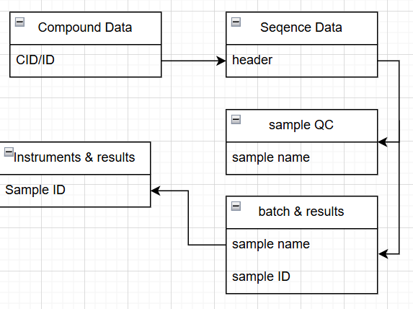
This workbook contains a harmonized dataset for Antibody–Drug Conjugate (ADC) compounds. The data integrates molecular, sequence, batch, inventory, assay, and instrument information collected from multiple Contract Research Organizations (CROs) and internal sources. Since different CROs often provide data in different formats and naming conventions, the dataset has been standardized and harmonized into a single structured format to ensure consistency and enable seamless ingestion, this standardization would be acheived using OMICS FAIRification tool Column headers are color-coded to indicate the entity or data category they belong to.

Compound Info
Sequence Construct
Batch Info
Inventory
Assay Result
Instrument Info
Sample & Meta Data

Data Model

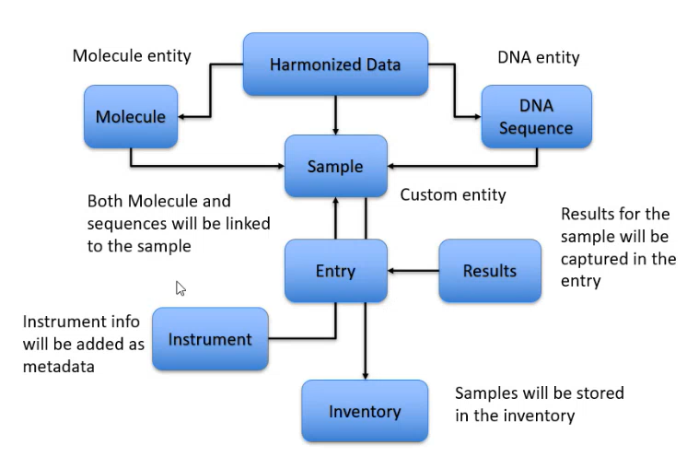

P-key : F-Key Mapping - Source Data

